Spring Downloads
The following are the necessary downloads for Spring
MySQL :: Download MySQL Installer
Download the larger file.
Do not save the password in the vault.

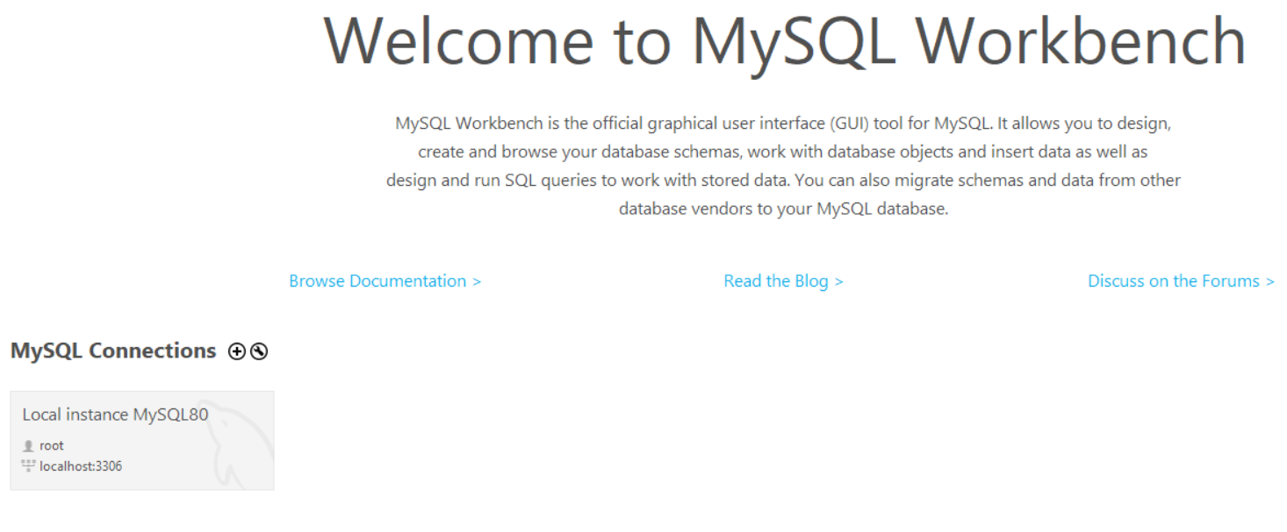
To test if your MySQL is working. Open your workbench
Click Local instance
Enter the password when prompted.
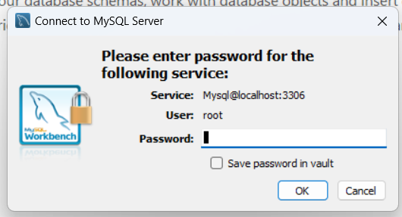
You can now create your Database and Table

Download Postman | Get Started for Free
You can sign up using your personal email
Looks like this:

Pluralsight Channel
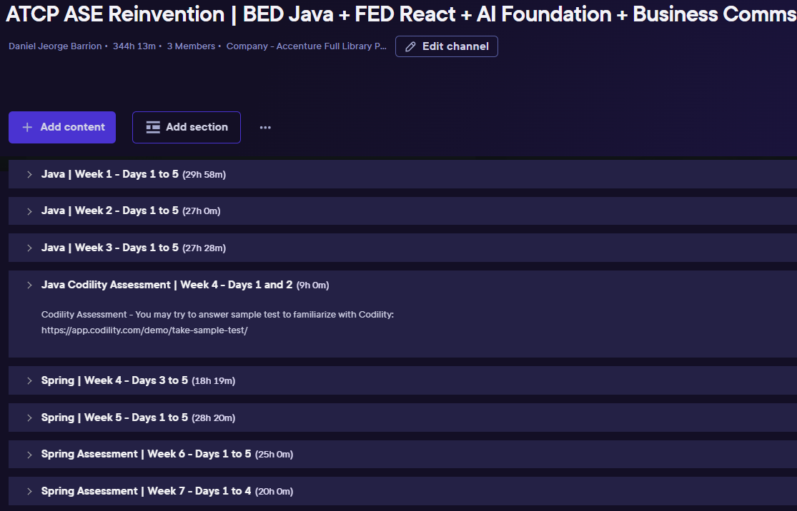

https://app.pluralsight.com/channels/details/ab8f1a10-ccf6-46a6-aaa7-c0091c5f8ce9
BED Java + FED React + AI Foundation + Business Comms | Pluralsight

